Tiempo de establecimiento
Descripción: En este campo se incluye la gráfica y los registros asociados al cálculo del tiempo de establecimiento. Aplica para protocolo A.

 | GRÁFICA |  | REGISTROS
Grafica tiempo estable
 | rpm | MW | rpm | MW | + 3% Pot | -3% Pot
6:41:33 | 3600.00 | 90.10 | 3600.01 | 90.10 | 82.69 | 83.11
6:41:34 | 3600.00 | 90.02 | 3600.01 | 90.02 | 82.69 | 83.11
6:41:35 | 3600.00 | 89.79 | 3600.01 | 89.79 | 82.69 | 83.11
6:41:36 | 3600.00 | 89.79 | 3600.01 | 89.79 | 82.69 | 83.11
6:41:37 | 3600.00 | 89.79 | 3600.01 | 89.79 | 82.69 | 83.11
6:41:38 | 3600.00 | 89.79 | 3600.01 | 89.79 | 82.69 | 83.11
6:41:39 | 3600.00 | 89.79 | 3600.01 | 89.79 | 82.69 | 83.11
6:41:40 | 3600.00 | 89.79 | 3600.01 | 89.79 | 82.69 | 83.11
6:41:41 | 3600.00 | 89.79 | 3600.01 | 89.79 | 82.69 | 83.11
6:41:42 | 3600.00 | 89.79 | 3600.01 | 89.79 | 82.69 | 83.11
6:41:43 | 3600.00 | 89.79 | 3600.01 | 89.79 | 82.69 | 83.11
6:41:44 | 3600.00 | 89.79 | 3600.01 | 89.79 | 82.69 | 83.11
6:41:45 | 3600.00 | 89.90 | 3600.01 | 89.90 | 82.69 | 83.11
6:41:46 | 3600.00 | 89.94 | 3600.01 | 89.94 | 82.69 | 83.11
6:41:47 | 3600.00 | 89.94 | 3600.01 | 89.94 | 82.69 | 83.11
6:41:48 | 3600.00 | 89.94 | 3600.01 | 89.94 | 82.69 | 83.11
6:41:49 | 3600.00 | 89.94 | 3600.01 | 89.94 | 82.69 | 83.11
6:41:50 | 3600.00 | 89.94 | 3600.03 | 89.94 | 82.69 | 83.11
6:41:51 | 3600.00 | 89.94 | 3600.03 | 89.94 | 82.69 | 83.11
6:41:52 | 3600.00 | 89.94 | 3600.03 | 89.94 | 82.69 | 83.11
6:41:53 | 3600.00 | 89.94 | 3600.03 | 89.94 | 82.69 | 83.11
6:41:54 | 3600.00 | 89.94 | 3600.03 | 89.94 | 82.69 | 83.11
6:41:55 | 3600.00 | 89.94 | 3600.03 | 89.94 | 82.69 | 83.11
6:41:56 | 3600.00 | 89.94 | 3600.03 | 89.94 | 82.69 | 83.11
6:41:57 | 3600.00 | 89.94 | 3600.03 | 89.94 | 82.69 | 83.11
6:41:58 | 3600.00 | 89.94 | 3600.03 | 89.94 | 82.69 | 83.11
6:41:59 | 3600.00 | 89.94 | 3600.03 | 89.94 | 82.69 | 83.11
6:42:00 | 3600.00 | 89.94 | 3600.03 | 89.94 | 82.69 | 83.11
6:42:01 | 3600.00 | 89.94 | 3600.03 | 89.94 | 82.69 | 83.11
6:42:02 | 3600.00 | 89.94 | 3600.03 | 89.94 | 82.69 | 83.11
6:42:03 | 3600.00 | 89.94 | 3600.03 | 89.94 | 82.69 | 83.11
6:42:04 | 3600.00 | 89.94 | 3600.03 | 89.94 | 82.69 | 83.11
6:42:05 | 3600.00 | 89.94 | 3600.03 | 89.94 | 82.69 | 83.11
6:42:06 | 3600.00 | 89.94 | 3600.03 | 89.94 | 82.69 | 83.11
6:42:07 | 3600.00 | 89.94 | 3600.03 | 89.94 | 82.69 | 83.11
6:42:08 | 3600.00 | 89.94 | 3600.03 | 89.94 | 82.69 | 83.11
6:42:09 | 3600.00 | 89.94 | 3600.03 | 89.94 | 82.69 | 83.11
6:42:10 | 3600.00 | 89.94 | 3600.03 | 89.94 | 82.69 | 83.11
6:42:11 | 3600.00 | 89.94 | 3600.03 | 89.94 | 82.69 | 83.11
6:42:12 | 3600.00 | 87.27 | 3612.00 | 87.27 | 82.69 | 83.11
6:42:13 | 3600.00 | 87.27 | 3612.00 | 87.27 | 82.69 | 83.11
6:42:14 | 3600.00 | 86.62 | 3612.00 | 86.62 | 82.69 | 83.11
6:42:15 | 3600.00 | 85.81 | 3612.00 | 85.81 | 82.69 | 83.11
6:42:16 | 3600.00 | 85.81 | 3612.00 | 85.81 | 82.69 | 83.11
6:42:17 | 3600.00 | 85.81 | 3612.00 | 85.81 | 82.69 | 83.11
6:42:18 | 3600.00 | 85.27 | 3612.00 | 85.27 | 82.69 | 83.11
6:42:19 | 3600.00 | 85.27 | 3612.00 | 85.27 | 82.69 | 83.11
6:42:20 | 3600.00 | 85.27 | 3612.00 | 85.27 | 82.69 | 83.11
6:42:21 | 3600.00 | 84.44 | 3612.00 | 84.44 | 82.69 | 83.11
6:42:22 | 3600.00 | 84.44 | 3612.00 | 84.44 | 82.69 | 83.11
...
 |  | Fecha y hora | Potencia activa (MW)
 |  | 09-11-2021 04:00 a 10:00

Tiempo de establecimiento: | 46 seg

GráficoEstatismoU2_P,FVsT
ESTATISMO U2_TCN
 | MW | rpm
6:41:33 | 90.10 | 3600.01
6:41:34 | 90.02 | 3600.01
6:41:35 | 89.79 | 3600.01
6:41:36 | 89.79 | 3600.01
6:41:37 | 89.79 | 3600.01
6:41:38 | 89.79 | 3600.01
6:41:39 | 89.79 | 3600.01
6:41:40 | 89.79 | 3600.01
6:41:41 | 89.79 | 3600.01
6:41:42 | 89.79 | 3600.01
6:41:43 | 89.79 | 3600.01
6:41:44 | 89.79 | 3600.01
6:41:45 | 89.90 | 3600.01
6:41:46 | 89.94 | 3600.01
6:41:47 | 89.94 | 3600.01
6:41:48 | 89.94 | 3600.01
6:41:49 | 89.94 | 3600.01
6:41:50 | 89.94 | 3600.03
6:41:51 | 89.94 | 3600.03
6:41:52 | 89.94 | 3600.03
6:41:53 | 89.94 | 3600.03
6:41:54 | 89.94 | 3600.03
6:41:55 | 89.94 | 3600.03
6:41:56 | 89.94 | 3600.03
6:41:57 | 89.94 | 3600.03
6:41:58 | 89.94 | 3600.03
6:41:59 | 89.94 | 3600.03
6:42:00 | 89.94 | 3600.03
6:42:01 | 89.94 | 3600.03
6:42:02 | 89.94 | 3600.03
6:42:03 | 89.94 | 3600.03
6:42:04 | 89.94 | 3600.03
6:42:05 | 89.94 | 3600.03
6:42:06 | 89.94 | 3600.03
6:42:07 | 89.94 | 3600.03
6:42:08 | 89.94 | 3600.03
6:42:09 | 89.94 | 3600.03
6:42:10 | 89.94 | 3600.03
6:42:11 | 89.94 | 3600.03
6:42:12 | 87.27 | 3612.00
6:42:13 | 87.27 | 3612.00
6:42:14 | 86.62 | 3612.00
6:42:15 | 85.81 | 3612.00
6:42:16 | 85.81 | 3612.00
6:42:17 | 85.81 | 3612.00
6:42:18 | 85.27 | 3612.00
6:42:19 | 85.27 | 3612.00
6:42:20 | 85.27 | 3612.00
6:42:21 | 84.44 | 3612.00
6:42:22 | 84.44 | 3612.00
...

Grafica EstatismoU2 PVs F (2)
 |  |  | PRUEBA DE ESTATISMO UNIDAD # 2
 |  |  | CENTRALTERMICA TERMOCENTRO
ESTATISMO U2-TCN

Valor inicial potencia (MW) | Valor Final potencia (MW) | Valor inicial frecuencia (Hz)* | Valor Final Frecuencia (Hz)*
90.0 | 82.6 | 60 | 60.200
80.0 | 72.8 | 60 | 60.200
80.0 | 86.8 | 60 | 59.800
70.0 | 62.5 | 60 | 60.200
70.0 | 76.7 | 60 | 59.800
60.0 | 53.0 | 60 | 60.200
60.0 | 67.1 | 60 | 59.800
50.0 | 56.8 | 60 | 59.800
40.0 | 32.5 | 60 | 60.200
30.0 | 37.4 | 60 | 59.800

Gráfica Estatismo P,F Vs T
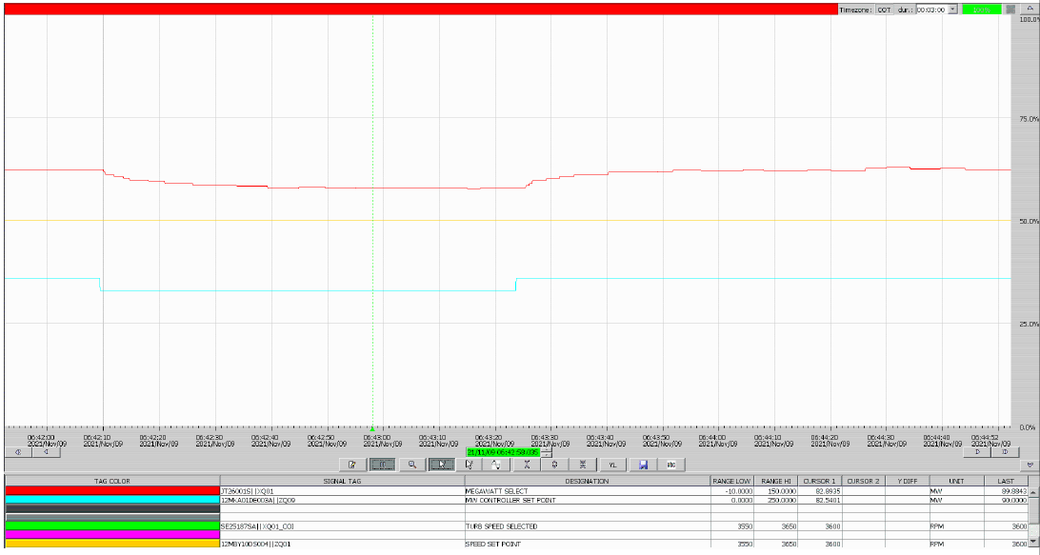

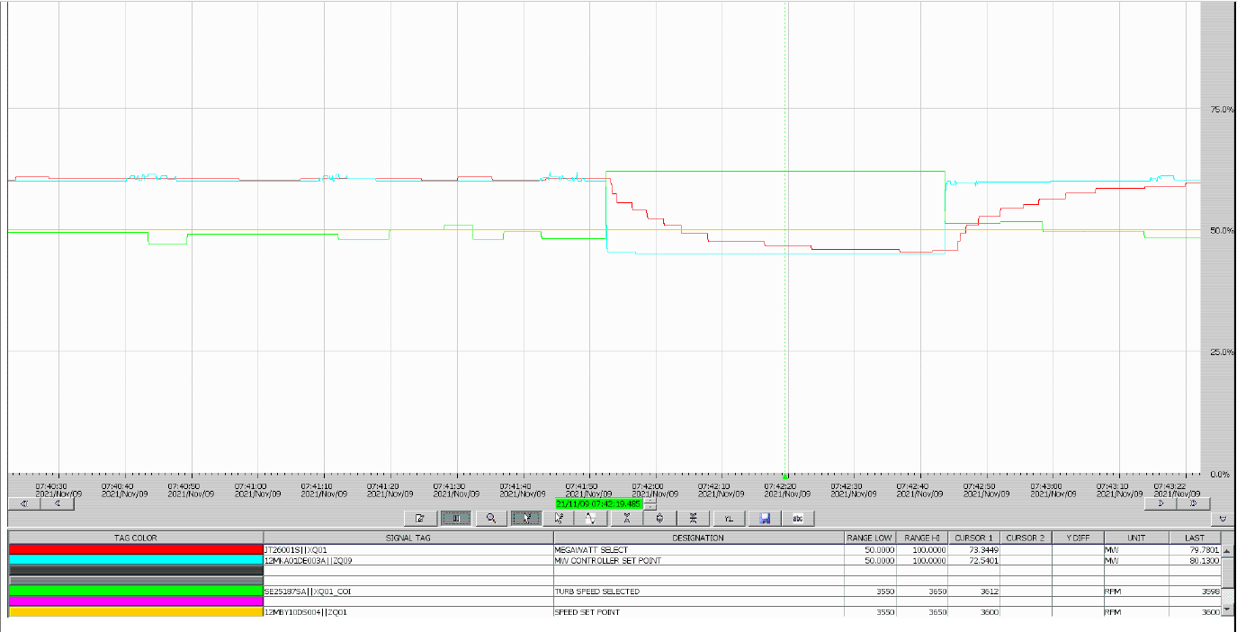

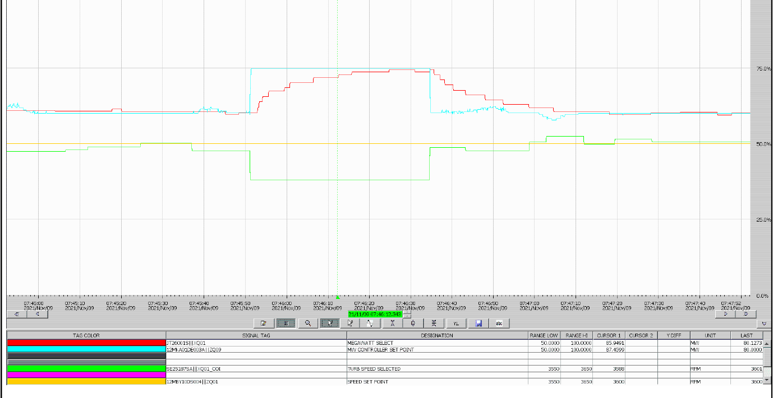

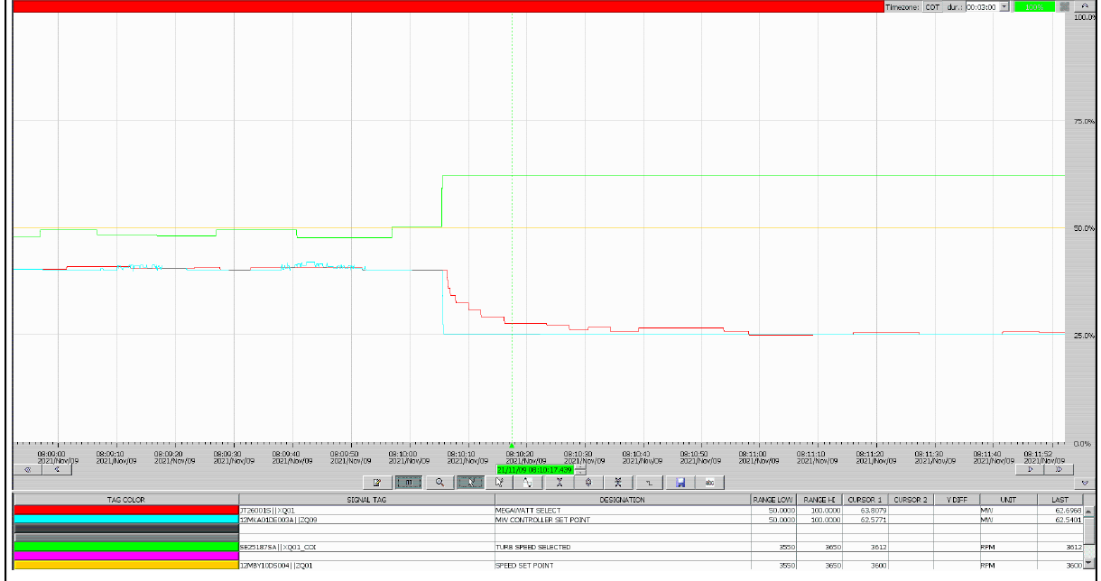

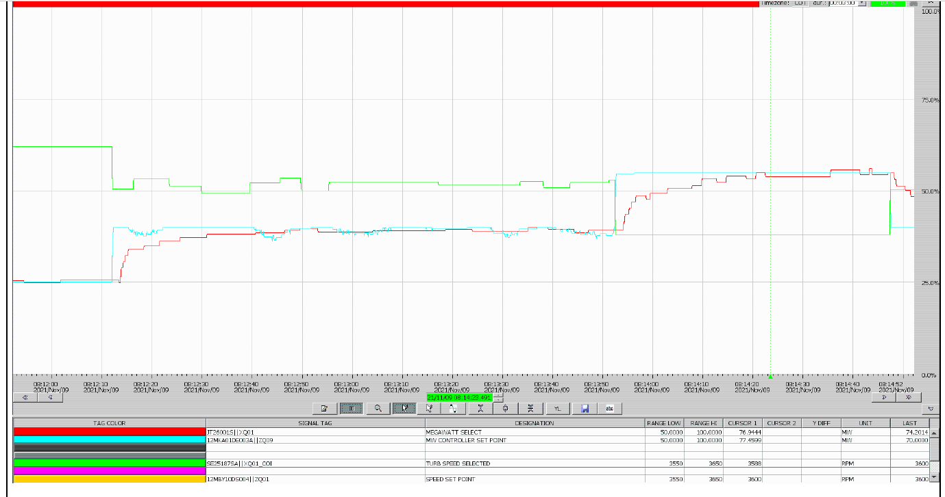



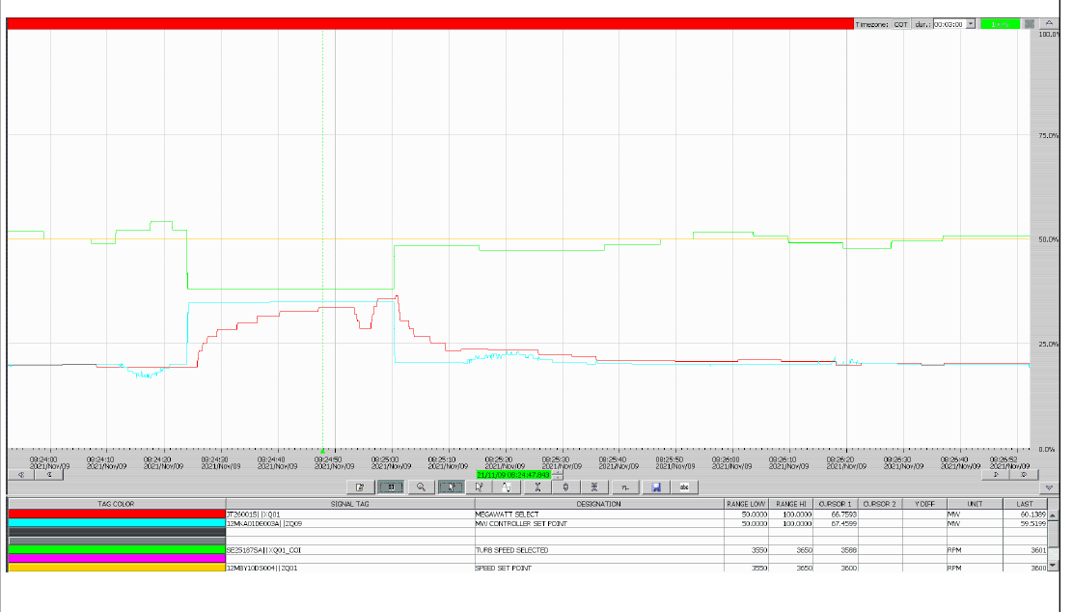

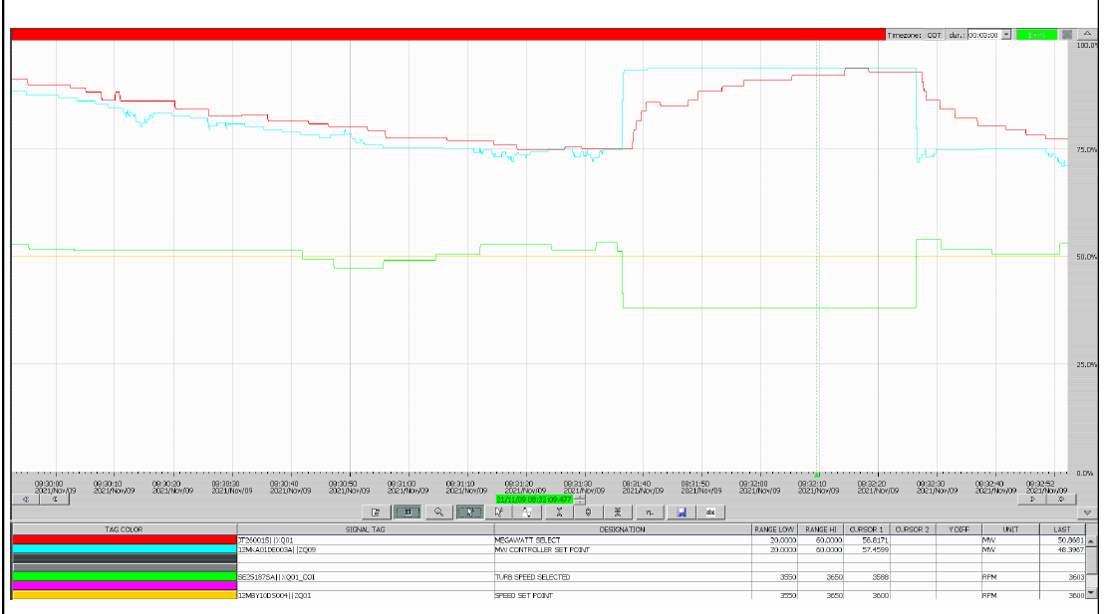

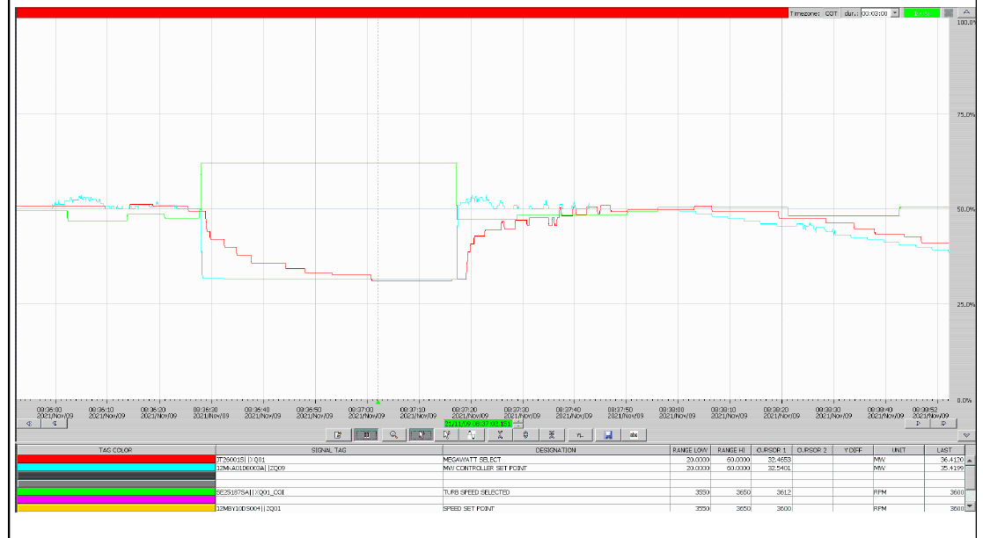

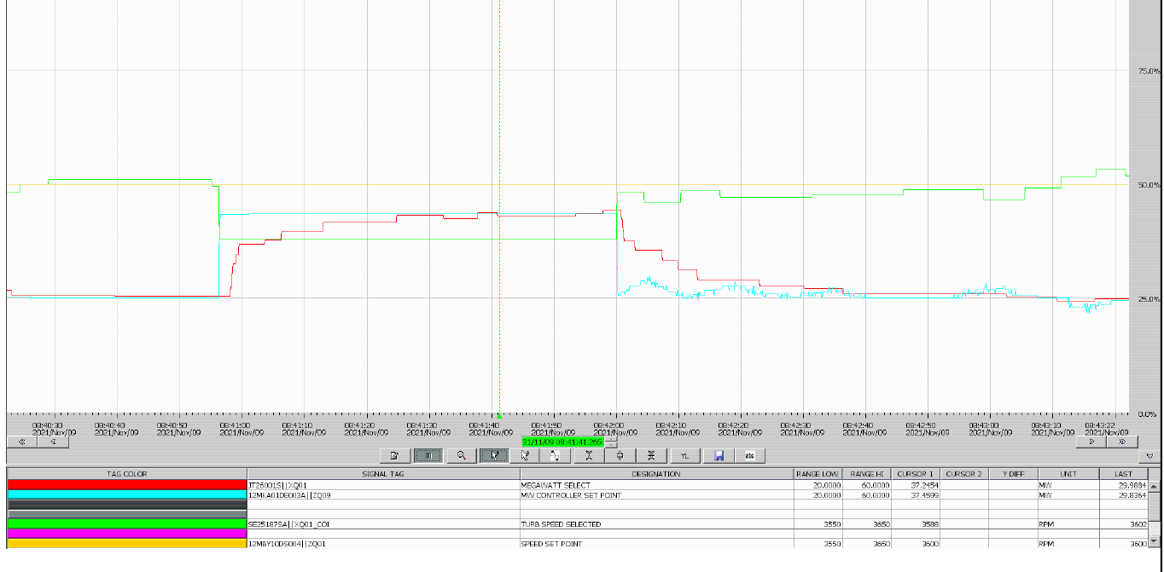

Gráfi.Tiem.Estable
Grafica tiempo estable
 | rpm | MW | rpm | MW | + 3% Pot | -3% Pot
6:41:33 | 3600.00 | 90.10 | 3600.01 | 90.10 | 82.69 | 83.11
6:41:34 | 3600.00 | 90.02 | 3600.01 | 90.02 | 82.69 | 83.11
6:41:35 | 3600.00 | 89.79 | 3600.01 | 89.79 | 82.69 | 83.11
6:41:36 | 3600.00 | 89.79 | 3600.01 | 89.79 | 82.69 | 83.11
6:41:37 | 3600.00 | 89.79 | 3600.01 | 89.79 | 82.69 | 83.11
6:41:38 | 3600.00 | 89.79 | 3600.01 | 89.79 | 82.69 | 83.11
6:41:39 | 3600.00 | 89.79 | 3600.01 | 89.79 | 82.69 | 83.11
6:41:40 | 3600.00 | 89.79 | 3600.01 | 89.79 | 82.69 | 83.11
6:41:41 | 3600.00 | 89.79 | 3600.01 | 89.79 | 82.69 | 83.11
6:41:42 | 3600.00 | 89.79 | 3600.01 | 89.79 | 82.69 | 83.11
6:41:43 | 3600.00 | 89.79 | 3600.01 | 89.79 | 82.69 | 83.11
6:41:44 | 3600.00 | 89.79 | 3600.01 | 89.79 | 82.69 | 83.11
6:41:45 | 3600.00 | 89.90 | 3600.01 | 89.90 | 82.69 | 83.11
6:41:46 | 3600.00 | 89.94 | 3600.01 | 89.94 | 82.69 | 83.11
6:41:47 | 3600.00 | 89.94 | 3600.01 | 89.94 | 82.69 | 83.11
6:41:48 | 3600.00 | 89.94 | 3600.01 | 89.94 | 82.69 | 83.11
6:41:49 | 3600.00 | 89.94 | 3600.01 | 89.94 | 82.69 | 83.11
6:41:50 | 3600.00 | 89.94 | 3600.03 | 89.94 | 82.69 | 83.11
6:41:51 | 3600.00 | 89.94 | 3600.03 | 89.94 | 82.69 | 83.11
6:41:52 | 3600.00 | 89.94 | 3600.03 | 89.94 | 82.69 | 83.11
6:41:53 | 3600.00 | 89.94 | 3600.03 | 89.94 | 82.69 | 83.11
6:41:54 | 3600.00 | 89.94 | 3600.03 | 89.94 | 82.69 | 83.11
6:41:55 | 3600.00 | 89.94 | 3600.03 | 89.94 | 82.69 | 83.11
6:41:56 | 3600.00 | 89.94 | 3600.03 | 89.94 | 82.69 | 83.11
6:41:57 | 3600.00 | 89.94 | 3600.03 | 89.94 | 82.69 | 83.11
6:41:58 | 3600.00 | 89.94 | 3600.03 | 89.94 | 82.69 | 83.11
6:41:59 | 3600.00 | 89.94 | 3600.03 | 89.94 | 82.69 | 83.11
6:42:00 | 3600.00 | 89.94 | 3600.03 | 89.94 | 82.69 | 83.11
6:42:01 | 3600.00 | 89.94 | 3600.03 | 89.94 | 82.69 | 83.11
6:42:02 | 3600.00 | 89.94 | 3600.03 | 89.94 | 82.69 | 83.11
6:42:03 | 3600.00 | 89.94 | 3600.03 | 89.94 | 82.69 | 83.11
6:42:04 | 3600.00 | 89.94 | 3600.03 | 89.94 | 82.69 | 83.11
6:42:05 | 3600.00 | 89.94 | 3600.03 | 89.94 | 82.69 | 83.11
6:42:06 | 3600.00 | 89.94 | 3600.03 | 89.94 | 82.69 | 83.11
6:42:07 | 3600.00 | 89.94 | 3600.03 | 89.94 | 82.69 | 83.11
6:42:08 | 3600.00 | 89.94 | 3600.03 | 89.94 | 82.69 | 83.11
6:42:09 | 3600.00 | 89.94 | 3600.03 | 89.94 | 82.69 | 83.11
6:42:10 | 3600.00 | 89.94 | 3600.03 | 89.94 | 82.69 | 83.11
6:42:11 | 3600.00 | 89.94 | 3600.03 | 89.94 | 82.69 | 83.11
6:42:12 | 3600.00 | 87.27 | 3612.00 | 87.27 | 82.69 | 83.11
6:42:13 | 3600.00 | 87.27 | 3612.00 | 87.27 | 82.69 | 83.11
6:42:14 | 3600.00 | 86.62 | 3612.00 | 86.62 | 82.69 | 83.11
6:42:15 | 3600.00 | 85.81 | 3612.00 | 85.81 | 82.69 | 83.11
6:42:16 | 3600.00 | 85.81 | 3612.00 | 85.81 | 82.69 | 83.11
6:42:17 | 3600.00 | 85.81 | 3612.00 | 85.81 | 82.69 | 83.11
6:42:18 | 3600.00 | 85.27 | 3612.00 | 85.27 | 82.69 | 83.11
6:42:19 | 3600.00 | 85.27 | 3612.00 | 85.27 | 82.69 | 83.11
6:42:20 | 3600.00 | 85.27 | 3612.00 | 85.27 | 82.69 | 83.11
6:42:21 | 3600.00 | 84.44 | 3612.00 | 84.44 | 82.69 | 83.11
6:42:22 | 3600.00 | 84.44 | 3612.00 | 84.44 | 82.69 | 83.11
...

